data
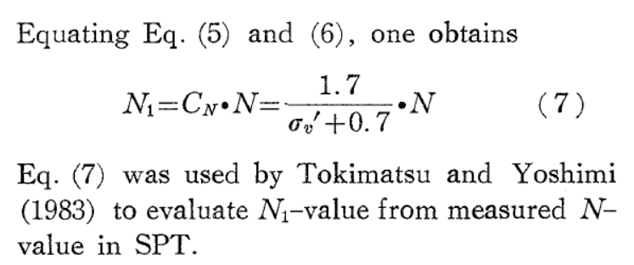
 | 3 |  | 6 |  | 10 |  | 14 |  | 20 |  | 25 |  | 30
0 | 5.48516 | 0 | 4.51524 | 0 | 3.50567 | 0 | 2.77461 | 0 | 2.17235 | 0 | 1.73371 | 0 | 1.30203
0.791714 | 5.48516 | 0.789554 | 4.51524 | 0.738969 | 3.50567 | 0.693066 | 2.77461 | 0.511332 | 2.17235 | 0.396108 | 1.73371 | 0.264959 | 1.30203
0.889946 | 5.48274 | 0.890726 | 4.51176 | 0.841077 | 3.50219 | 0.763325 | 2.77113 | 0.605009 | 2.16539 | 0.49447 | 1.71978 | 0.388614 | 1.29159
0.957602 | 5.47549 | 0.938502 | 4.49784 | 0.896347 | 3.49523 | 0.797049 | 2.73283 | 0.660279 | 2.13406 | 0.544119 | 1.69542 | 0.476671 | 1.26026
0.972564 | 5.43681 | 0.957238 | 4.45954 | 0.912272 | 3.43953 | 0.815784 | 2.68061 | 0.69213 | 2.1062 | 0.579716 | 1.65712 | 0.527257 | 1.20108
0.981021 | 5.37154 | 0.960985 | 4.31681 | 0.919767 | 3.34206 | 0.831709 | 2.57966 | 0.722107 | 2.0505 | 0.619998 | 1.58053 | 0.588147 | 1.11056
0.982973 | 4.71396 | 0.962858 | 3.76677 | 0.928198 | 3.02874 | 0.867307 | 2.26634 | 0.751147 | 1.95999 | 0.660279 | 1.48306 | 0.647164 | 1.01657
0.984274 | 4.17243 | 0.964732 | 3.36294 | 0.938502 | 2.64928 | 0.88979 | 2.01221 | 0.794238 | 1.75808 | 0.703371 | 1.37862 | 0.694003 | 0.919093
0.985575 | 3.45201 | 0.966605 | 2.92778 | 0.94787 | 2.29419 | 0.915083 | 1.74763 | 0.825152 | 1.6049 | 0.734285 | 1.28463 | 0.759578 | 0.804211
0.988177 | 2.61312 | 0.971289 | 2.57618 | 0.961922 | 1.9774 | 0.936629 | 1.54224 | 0.865433 | 1.40299 | 0.775503 | 1.17671 | 0.821405 | 0.689329
0.992081 | 2.25532 | 0.97691 | 2.27679 | 0.972226 | 1.74763 | 0.960985 | 1.34729 | 0.901968 | 1.24285 | 0.816721 | 1.06182 | 0.884169 | 0.591853
0.996634 | 1.94104 | 0.980657 | 2.07487 | 0.989088 | 1.50743 | 0.991898 | 1.12797 | 0.939439 | 1.06182 | 0.865433 | 0.93998 | 0.964732 | 0.47349
1.00379 | 1.68961 | 0.990962 | 1.85903 | 1.00876 | 1.28811 | 1.01532 | 0.978274 | 0.994709 | 0.859911 | 0.910399 | 0.82858 | 1.02469 | 0.386459
1.01095 | 1.54214 | 1.00314 | 1.57705 | 1.03031 | 1.11404 | 1.04248 | 0.852949 | 1.04717 | 0.689329 | 0.956301 | 0.724142 | 1.09963 | 0.309871
1.02981 | 1.32698 | 1.01813 | 1.35773 | 1.05466 | 0.953905 | 1.0734 | 0.731104 | 1.09869 | 0.550078 | 1.00595 | 0.602297 | 1.16895 | 0.25417
1.04347 | 1.16501 | 1.03686 | 1.18367 | 1.08745 | 0.807692 | 1.10712 | 0.623185 | 1.15021 | 0.459565 | 1.0556 | 0.508303 | 1.24764 | 0.19847
1.06624 | 1.00303 | 1.05935 | 1.02005 | 1.12398 | 0.682366 | 1.14834 | 0.539634 | 1.20267 | 0.386459 | 1.11743 | 0.403865 | 1.32726 | 0.156695
1.09096 | 0.879735 | 1.08089 | 0.88428 | 1.16333 | 0.584891 | 1.18206 | 0.480453 | 1.25888 | 0.327277 | 1.16989 | 0.337721 | 1.40876 | 0.125364
1.11503 | 0.773363 | 1.09401 | 0.818136 | 1.21673 | 0.50134 | 1.22797 | 0.414309 | 1.31228 | 0.271577 | 1.22703 | 0.285502 | 1.48558 | 0.100995
1.1391 | 0.703254 | 1.13148 | 0.696291 | 1.27762 | 0.421271 | 1.28417 | 0.36209 | 1.38441 | 0.22632 | 1.27855 | 0.247208 | 1.55303 | 0.0870696
1.17944 | 0.616222 | 1.17082 | 0.60926 | 1.33757 | 0.358608 | 1.34975 | 0.299427 | 1.46403 | 0.177583 | 1.33663 | 0.208914 | 1.63453 | 0.0627007
1.23018 | 0.529191 | 1.22367 | 0.517103 | 1.39752 | 0.306389 | 1.4275 | 0.240245 | 2 | 0 | 1.4172 | 0.167139 | 2 | 0
1.28873 | 0.444576 | 1.28287 | 0.437324 | 1.46966 | 0.25417 | 1.51368 | 0.184545 |  |  | 1.49963 | 0.132326
1.35378 | 0.384138 | 1.34597 | 0.376885 | 1.54366 | 0.205433 | 2 | 0 |  |  | 2 | 0
1.41558 | 0.333369 | 1.40778 | 0.323699 | 2 | 0
1.48064 | 0.275348 | 1.47673 | 0.268096
1.5548 | 0.231832 | 1.55154 | 0.222162
2 | 0 | 2 | 0
 | 3 |  | 6 |  | 10 |  | 14 |  | 20 |  | 25 |  | 30
0 | 5.48516 | 0 | 4.51524 | 0 | 3.50567 | 0 | 2.77461 | 0 | 2.17235 | 0 | 1.73371 | 0 | 1.30203
0.791714 | 5.48516 | 0.789554 | 4.51524 | 0.738969 | 3.50567 | 0.693066 | 2.77461 | 0.511332 | 2.17235 | 0.396108 | 1.73371 | 0.264959 | 1.30203
0.889946 | 5.48274 | 0.890726 | 4.51176 | 0.841077 | 3.50219 | 0.763325 | 2.77113 | 0.605009 | 2.16539 | 0.49447 | 1.71978 | 0.388614 | 1.29159
0.957602 | 5.47549 | 0.938502 | 4.49784 | 0.896347 | 3.49523 | 0.797049 | 2.73283 | 0.660279 | 2.13406 | 0.544119 | 1.69542 | 0.476671 | 1.26026
0.972564 | 5.43681 | 0.957238 | 4.45954 | 0.912272 | 3.43953 | 0.815784 | 2.68061 | 0.69213 | 2.1062 | 0.579716 | 1.65712 | 0.527257 | 1.20108
0.981021 | 5.37154 | 0.960985 | 4.31681 | 0.919767 | 3.34206 | 0.831709 | 2.57966 | 0.722107 | 2.0505 | 0.619998 | 1.58053 | 0.588147 | 1.11056
0.982973 | 4.71396 | 0.962858 | 3.76677 | 0.928198 | 3.02874 | 0.867307 | 2.26634 | 0.751147 | 1.95999 | 0.660279 | 1.48306 | 0.647164 | 1.01657
0.984274 | 4.17243 | 0.964732 | 3.36294 | 0.938502 | 2.64928 | 0.88979 | 2.01221 | 0.794238 | 1.75808 | 0.703371 | 1.37862 | 0.694003 | 0.919093
0.985575 | 3.45201 | 0.966605 | 2.92778 | 0.94787 | 2.29419 | 0.915083 | 1.74763 | 0.825152 | 1.6049 | 0.734285 | 1.28463 | 0.759578 | 0.804211
0.988177 | 2.61312 | 0.971289 | 2.57618 | 0.961922 | 1.9774 | 0.936629 | 1.54224 | 0.865433 | 1.40299 | 0.775503 | 1.17671 | 0.821405 | 0.689329
0.992081 | 2.25532 | 0.97691 | 2.27679 | 0.972226 | 1.74763 | 0.960985 | 1.34729 | 0.901968 | 1.24285 | 0.816721 | 1.06182 | 0.884169 | 0.591853
0.996634 | 1.94104 | 0.980657 | 2.07487 | 0.989088 | 1.50743 | 0.991898 | 1.12797 | 0.939439 | 1.06182 | 0.865433 | 0.93998 | 0.964732 | 0.47349
1.00379 | 1.68961 | 0.990962 | 1.85903 | 1.00876 | 1.28811 | 1.01532 | 0.978274 | 0.994709 | 0.859911 | 0.910399 | 0.82858 | 1.02469 | 0.386459
1.01095 | 1.54214 | 1.00314 | 1.57705 | 1.03031 | 1.11404 | 1.04248 | 0.852949 | 1.04717 | 0.689329 | 0.956301 | 0.724142 | 1.09963 | 0.309871
1.02981 | 1.32698 | 1.01813 | 1.35773 | 1.05466 | 0.953905 | 1.0734 | 0.731104 | 1.09869 | 0.550078 | 1.00595 | 0.602297 | 1.16895 | 0.25417
1.04347 | 1.16501 | 1.03686 | 1.18367 | 1.08745 | 0.807692 | 1.10712 | 0.623185 | 1.15021 | 0.459565 | 1.0556 | 0.508303 | 1.24764 | 0.19847
1.06624 | 1.00303 | 1.05935 | 1.02005 | 1.12398 | 0.682366 | 1.14834 | 0.539634 | 1.20267 | 0.386459 | 1.11743 | 0.403865 | 1.32726 | 0.156695
1.09096 | 0.879735 | 1.08089 | 0.88428 | 1.16333 | 0.584891 | 1.18206 | 0.480453 | 1.25888 | 0.327277 | 1.16989 | 0.337721 | 1.40876 | 0.125364
1.11503 | 0.773363 | 1.09401 | 0.818136 | 1.21673 | 0.50134 | 1.22797 | 0.414309 | 1.31228 | 0.271577 | 1.22703 | 0.285502 | 1.48558 | 0.100995
1.1391 | 0.703254 | 1.13148 | 0.696291 | 1.27762 | 0.421271 | 1.28417 | 0.36209 | 1.38441 | 0.22632 | 1.27855 | 0.247208 | 1.55303 | 0.0870696
1.17944 | 0.616222 | 1.17082 | 0.60926 | 1.33757 | 0.358608 | 1.34975 | 0.299427 | 1.46403 | 0.177583 | 1.33663 | 0.208914 | 1.63453 | 0.0627007
1.23018 | 0.529191 | 1.22367 | 0.517103 | 1.39752 | 0.306389 | 1.4275 | 0.240245 | 2 | 0 | 1.4172 | 0.167139 | 2 | 0
1.28873 | 0.444576 | 1.28287 | 0.437324 | 1.46966 | 0.25417 | 1.51368 | 0.184545 |  |  | 1.49963 | 0.132326
1.35378 | 0.384138 | 1.34597 | 0.376885 | 1.54366 | 0.205433 | 2 | 0 |  |  | 2 | 0
1.41558 | 0.333369 | 1.40778 | 0.323699 | 2 | 0
1.48064 | 0.275348 | 1.47673 | 0.268096
1.5548 | 0.231832 | 1.55154 | 0.222162
2 | 0 | 2 | 0
N1(72)
3 |  | 6 |  | 10 |  | 14 |  | 20 |  | 25 |  | 30
X | Y | X | Y | X | Y | X | Y | X | Y | X | Y | X | Y | 底圖為台電報告提供，雖然圖內寫N160，但比對原圖實際為N172
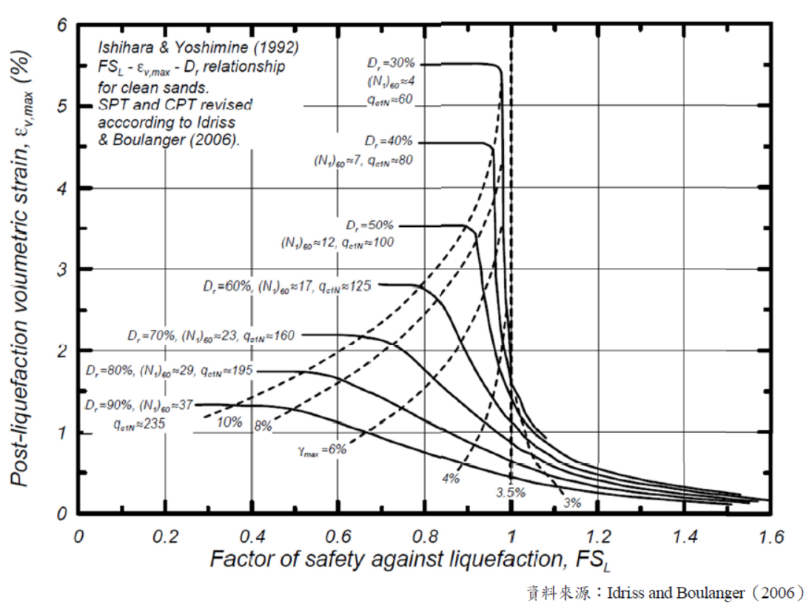
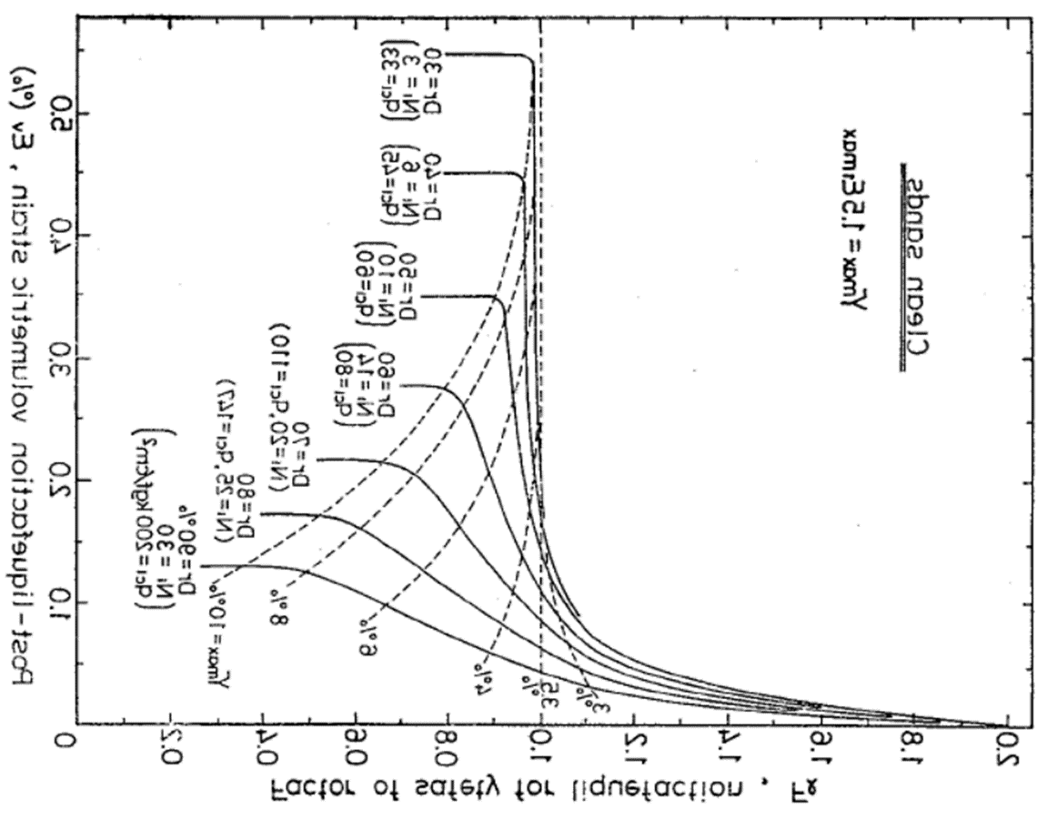
0 | 5.48516 | 0 | 4.51524 | 0 | 3.50567 | 0 | 2.77461 | 0 | 2.17235 | 0 | 1.73371 | 0 | 1.30203
0.791714 | 5.48516 | 0.789554 | 4.51524 | 0.738969 | 3.50567 | 0.693066 | 2.77461 | 0.511332 | 2.17235 | 0.396108 | 1.73371 | 0.264959 | 1.30203
0.889946 | 5.48274 | 0.890726 | 4.51176 | 0.841077 | 3.50219 | 0.763325 | 2.77113 | 0.605009 | 2.16539 | 0.49447 | 1.71978 | 0.388614 | 1.29159
0.957602 | 5.47549 | 0.938502 | 4.49784 | 0.896347 | 3.49523 | 0.797049 | 2.73283 | 0.660279 | 2.13406 | 0.544119 | 1.69542 | 0.476671 | 1.26026
0.972564 | 5.43681 | 0.957238 | 4.45954 | 0.912272 | 3.43953 | 0.815784 | 2.68061 | 0.69213 | 2.1062 | 0.579716 | 1.65712 | 0.527257 | 1.20108
0.981021 | 5.37154 | 0.960985 | 4.31681 | 0.919767 | 3.34206 | 0.831709 | 2.57966 | 0.722107 | 2.0505 | 0.619998 | 1.58053 | 0.588147 | 1.11056
0.982973 | 4.71396 | 0.962858 | 3.76677 | 0.928198 | 3.02874 | 0.867307 | 2.26634 | 0.751147 | 1.95999 | 0.660279 | 1.48306 | 0.647164 | 1.01657
0.984274 | 4.17243 | 0.964732 | 3.36294 | 0.938502 | 2.64928 | 0.88979 | 2.01221 | 0.794238 | 1.75808 | 0.703371 | 1.37862 | 0.694003 | 0.919093
0.985575 | 3.45201 | 0.966605 | 2.92778 | 0.94787 | 2.29419 | 0.915083 | 1.74763 | 0.825152 | 1.6049 | 0.734285 | 1.28463 | 0.759578 | 0.804211
0.988177 | 2.61312 | 0.971289 | 2.57618 | 0.961922 | 1.9774 | 0.936629 | 1.54224 | 0.865433 | 1.40299 | 0.775503 | 1.17671 | 0.821405 | 0.689329
0.992081 | 2.25532 | 0.97691 | 2.27679 | 0.972226 | 1.74763 | 0.960985 | 1.34729 | 0.901968 | 1.24285 | 0.816721 | 1.06182 | 0.884169 | 0.591853
0.996634 | 1.94104 | 0.980657 | 2.07487 | 0.989088 | 1.50743 | 0.991898 | 1.12797 | 0.939439 | 1.06182 | 0.865433 | 0.93998 | 0.964732 | 0.47349
1.00379 | 1.68961 | 0.990962 | 1.85903 | 1.00876 | 1.28811 | 1.01532 | 0.978274 | 0.994709 | 0.859911 | 0.910399 | 0.82858 | 1.02469 | 0.386459
1.01095 | 1.54214 | 1.00314 | 1.57705 | 1.03031 | 1.11404 | 1.04248 | 0.852949 | 1.04717 | 0.689329 | 0.956301 | 0.724142 | 1.09963 | 0.309871
1.02981 | 1.32698 | 1.01813 | 1.35773 | 1.05466 | 0.953905 | 1.0734 | 0.731104 | 1.09869 | 0.550078 | 1.00595 | 0.602297 | 1.16895 | 0.25417
1.04347 | 1.16501 | 1.03686 | 1.18367 | 1.08745 | 0.807692 | 1.10712 | 0.623185 | 1.15021 | 0.459565 | 1.0556 | 0.508303 | 1.24764 | 0.19847
1.06624 | 1.00303 | 1.05935 | 1.02005 | 1.12398 | 0.682366 | 1.14834 | 0.539634 | 1.20267 | 0.386459 | 1.11743 | 0.403865 | 1.32726 | 0.156695
1.09096 | 0.879735 | 1.08089 | 0.88428 | 1.16333 | 0.584891 | 1.18206 | 0.480453 | 1.25888 | 0.327277 | 1.16989 | 0.337721 | 1.40876 | 0.125364
1.11503 | 0.773363 | 1.09401 | 0.818136 | 1.21673 | 0.50134 | 1.22797 | 0.414309 | 1.31228 | 0.271577 | 1.22703 | 0.285502 | 1.48558 | 0.100995
1.1391 | 0.703254 | 1.13148 | 0.696291 | 1.27762 | 0.421271 | 1.28417 | 0.36209 | 1.38441 | 0.22632 | 1.27855 | 0.247208 | 1.55303 | 0.0870696
1.17944 | 0.616222 | 1.17082 | 0.60926 | 1.33757 | 0.358608 | 1.34975 | 0.299427 | 1.46403 | 0.177583 | 1.33663 | 0.208914 | 1.63453 | 0.0627007
1.23018 | 0.529191 | 1.22367 | 0.517103 | 1.39752 | 0.306389 | 1.4275 | 0.240245 | 2 | 0 | 1.4172 | 0.167139 | 2 | 0
1.28873 | 0.444576 | 1.28287 | 0.437324 | 1.46966 | 0.25417 | 1.51368 | 0.184545 |  |  | 1.49963 | 0.132326
1.35378 | 0.384138 | 1.34597 | 0.376885 | 1.54366 | 0.205433 | 2 | 0 |  |  | 2 | 0
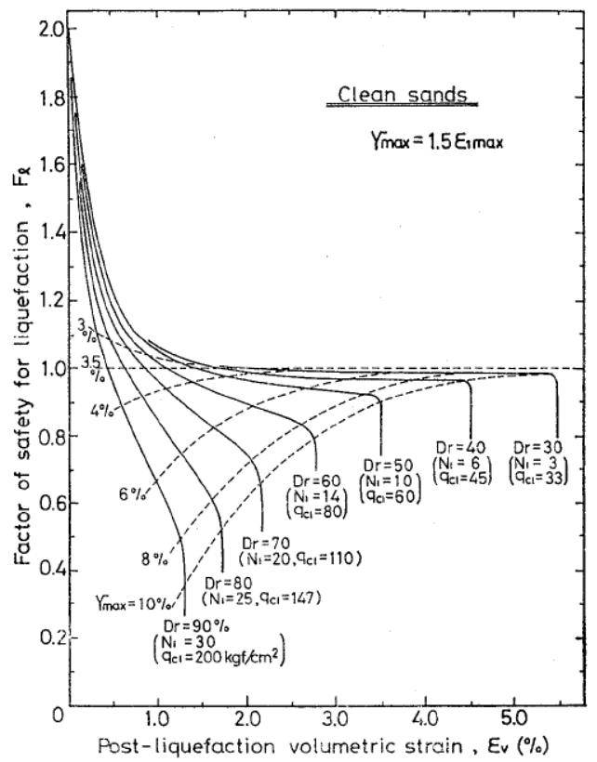
1.41558 | 0.333369 | 1.40778 | 0.323699 | 2 | 0
1.48064 | 0.275348 | 1.47673 | 0.268096
1.5548 | 0.231832 | 1.55154 | 0.222162
2 | 0 | 2 | 0

 |  |  |  |  |  |  |  |  |  |  |  |  |  |  | 國震資料
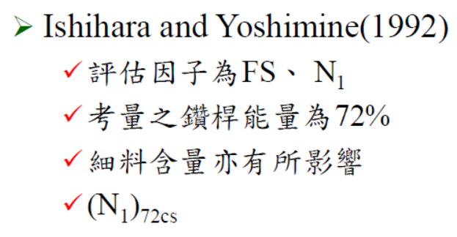

 |  |  |  |  |  |  |  |  |  |  |  |  |  |  | IY原始報告的N1修正公式，需使用TY法
 |  |  |  |  |  |  |  |  |  |  |  |  |  |  | TY法的N值的鑽桿能量修正原本為80%, 現基於日系方法皆統一為72%, 故IY法的鑽桿能量也採用72% (2021/03/11)

